Issue
Feature changes
Daily Attendance | Mark Absent | Reason for Absence | Right now, marking details against all the absentees is complex

Dashboard | Name of Teacher |  |  | Village > School
 | Pending Attendance | to show scheduled attendance (3*1)

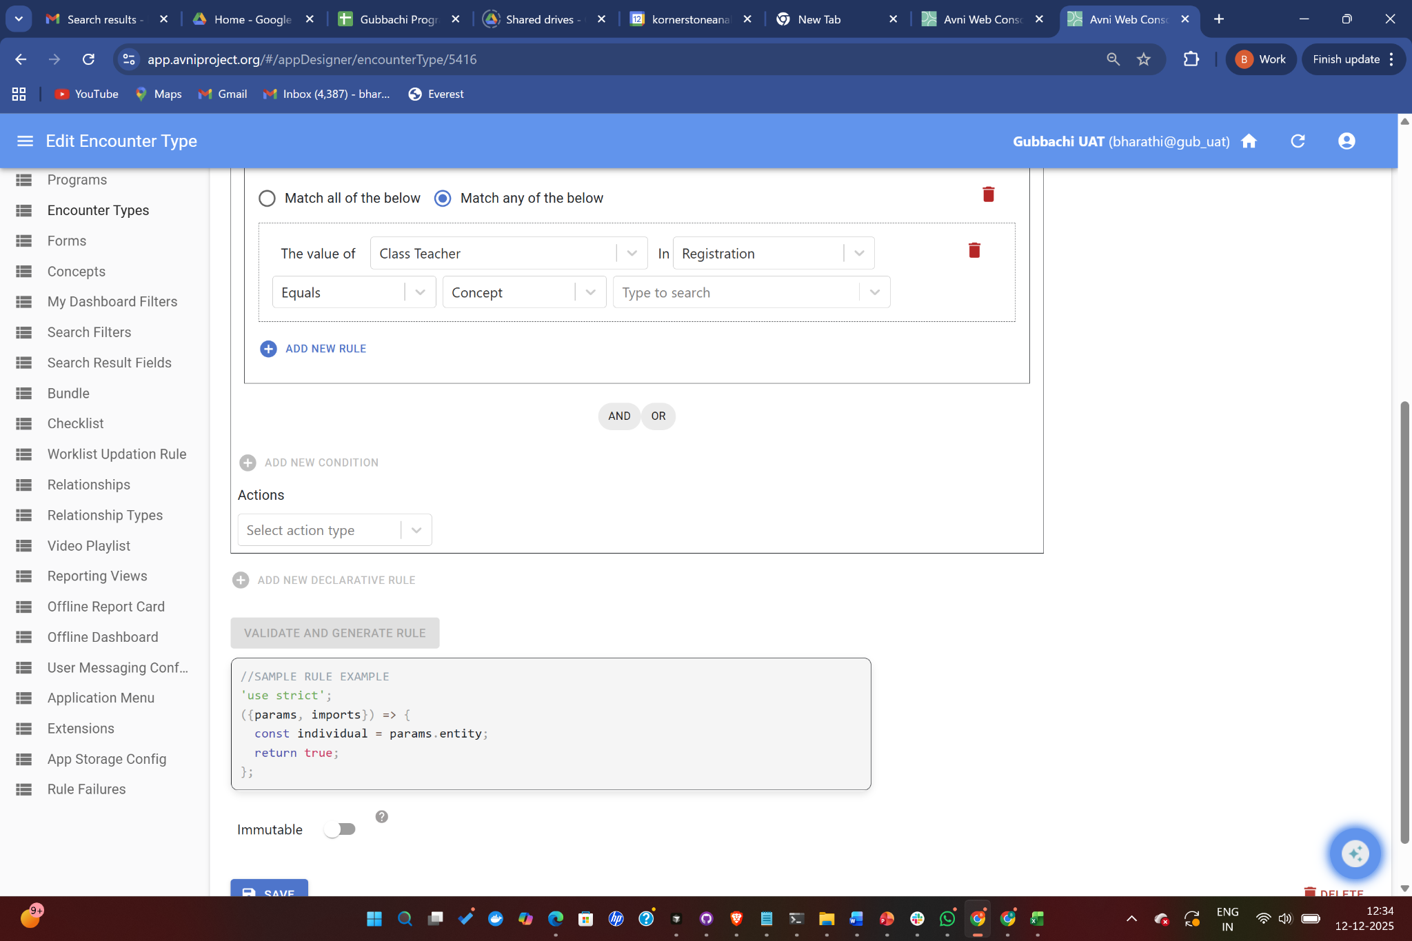

Class | Assign a teacher to a class
 | Should not be able to see other classes details

Class | Class teacher | only to do the attendance |  | Java script

 |  | Linking attendance to remedial

Activity | Same activity cannot be marked as "Completed" and also "partially completed" at the same time
 | Once submitted encounters can be edited?
 | Pending attendance/Overdue attendance takes care of weekend and holiday?
 | Activity Completion Status' requires Cancelled option?
 | Remedial, make Activity multiselect

Substitute management

